Sheet1
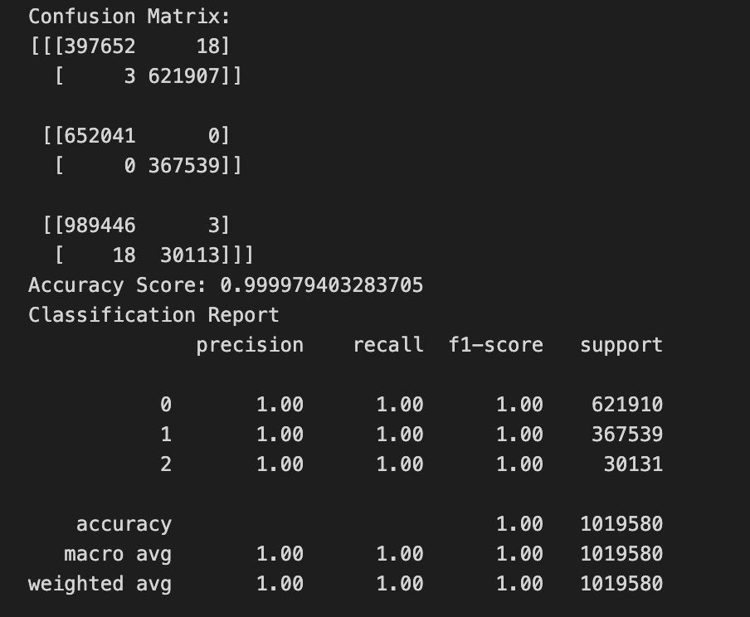
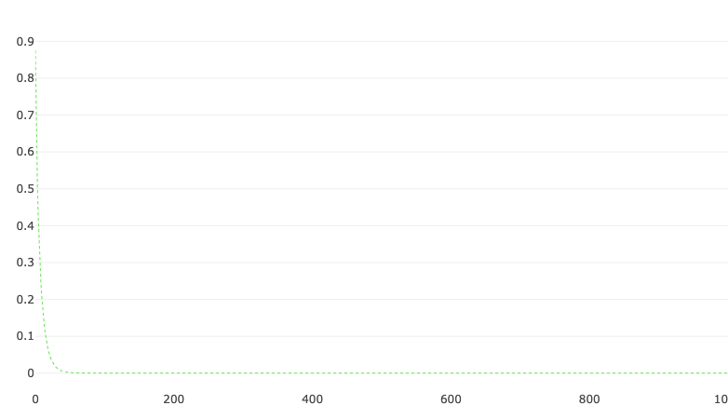
ATTEMPT TYPE AND NUMBER | ACCURACY | PRECISION | TESTING ACCURACY | TESTING LOSS | VALIDATION LOSS | EPOCHS | PARAMETERS | IMAGERY
CatBoost Attempt | 0.999997940328% | 0.999979402244%

1st Keras Neural Network | 99.280000000000% |  |  | 0.011600000000% | 1.905599839441% | 50 | 2 hidden layers, the 1st with 6 nodes and the 2nd with 9, both utilizing the Relu activation method

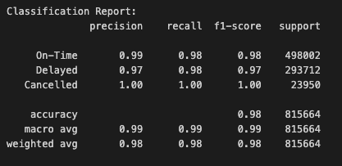
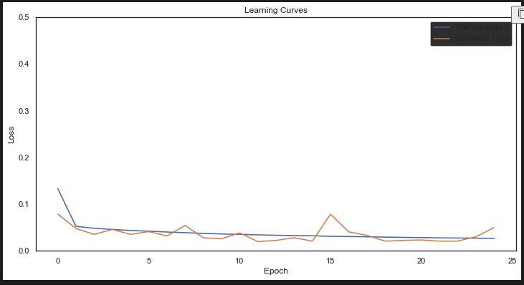
2nd Keras Neural Network | 98.120000000000% | see imagery --> | 98.122513294220% | 2.520000000000% | 4.987158522403% | 25 | no encoding

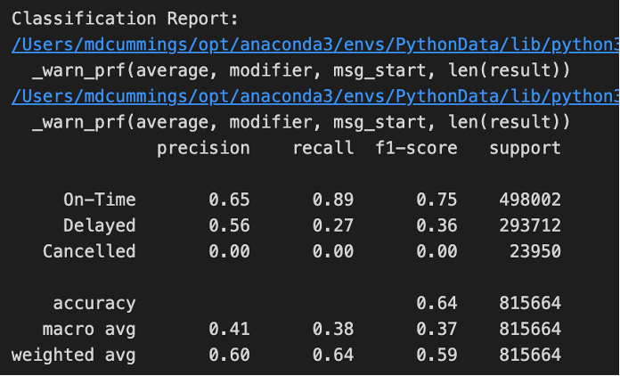
3rd Keras Neural Network | 0.637795686722% | see imagery --> | 0.637800000000% | 0.760200000000% | 0.727877234835% | 5 | removed ArrTime and DepTime w/ tanh and relo

Final Keras Neural Network Attempt | 83.548128604889% | see imagery --> | 83.550000000000% | 31.090000000000% | 36.396479236226% | 25 | Layer1: 46 nodes, Tahn method Layer2: 24 nodes, Relu method Layer3: 6 nodes, Sigmoid method Flight Number Airline Counts at value counts over 750 where value counts over 200 where binned | 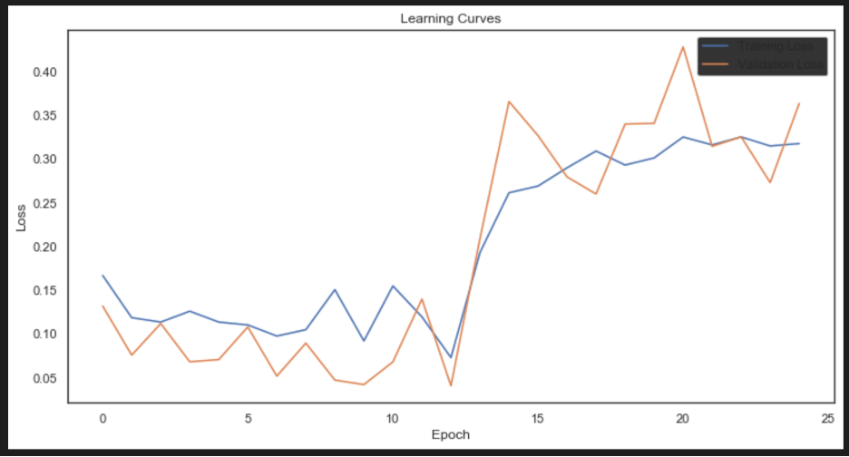 | 